Exemplo(3)
 | Initial |  |  | Step 1: Subtract minimum of every row. |  |  |  | Step 2: Subtract minimum of every column. | Subtract minimum of every row.
 | City 1 | City 2 | City 3 | City 1 | City 2 | City 3 |  | City 1 | City 2 | City 3
A | 4 | 3 | 1 | 3 | 2 | 0 |  | 2 | 2 | 0
B | 2 | 0 | 5 | 2 | 0 | 5 |  | 1 | 0 | 5
C | 3 | 2 | 2 | 1 | 0 | 0 |  | 0 | 0 | 0
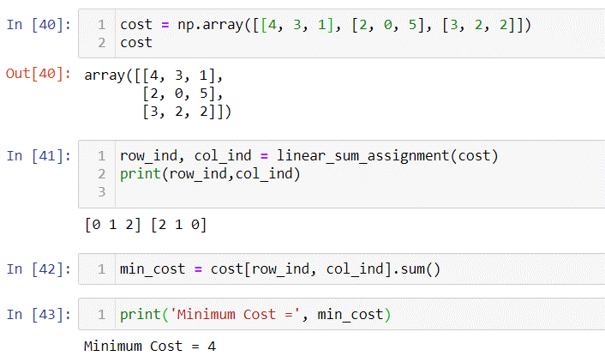
Step 3: Cover all zeroes with minimum number of |  |  |  | Step 4: Since we need 3 lines to cover all zeroes,
 | horizontal and vertical lines. |  |  | we have found the optimal assignment.
 | City 1 | City 2 | City 3 | City 1 | City 2 | City 3
 | 2 | 2 | 0 | 4 | 3 | 1
 | 1 | 0 | 5 | 2 | 0 | 5
 | 0 | 0 | 0 | 3 | 2 | 2

 |  |  |  | Otimo |  |  | 4

Exemplo(5)
 | Initial |  |  | Step 1: Subtract minimum of every row. |  |  |  | Step 2: Subtract minimum of every column. | Subtract minimum of every row.
 | City 1 | City 2 | City 3 | City 1 | City 2 | City 3 |  | City 1 | City 2 | City 3
A | 98 | 20 | 53 | 78 | 0 | 33 |  | 78 | 0 | 0
B | 54 | 1.8 | 85.84 | 52.2 | 0 | 84.04 |  | 52.2 | 0 | 51.04
C | 3.4 | 69 | 76.7 | 0 | 65.6 | 73.3 |  | 0 | 65.6 | 40.3

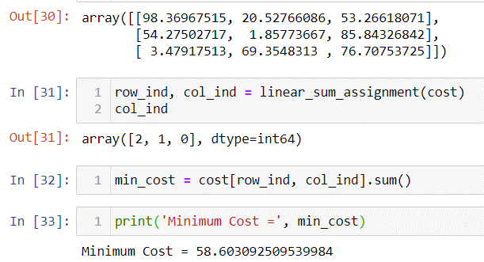
Step 3: Cover all zeroes with minimum number of |  |  |  | Step 4: Since we need 3 lines to cover all zeroes,
 | horizontal and vertical lines. |  |  | we have found the optimal assignment.
 | City 1 | City 2 | City 3 | City 1 | City 2 | City 3
 | 78 | 0 | 0 | 98 | 20 | 53
 | 52.2 | 0 | 51.04 | 54 | 1.8 | 85.84
 | 0 | 65.6 | 40.3 | 3.4 | 69 | 76.7

 |  |  |  | Otimo |  |  | 58.2

Exemplo(6)
 | Initial |  |  | Step 1: Subtract minimum of every row. |  |  |  | Step 2: Subtract minimum of every column. | Subtract minimum of every row.
 | City 1 | City 2 | City 3 | City 1 | City 2 | City 3 |  | City 1 | City 2 | City 3
A | 24.44 | 88 | 92.85 | 0 | 63.56 | 68.41 |  | 0 | 63.56 | 68.41
B | 67.73 | 69.96 | 24.2 | 43.53 | 45.76 | 0 |  | 43.53 | 45.76 | 0
C | 0 | 0 | 0 | 0 | 0 | 0 |  | 0 | 0 | 0
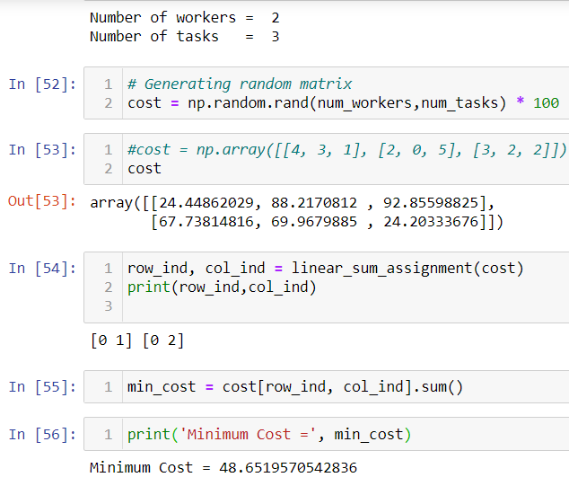
Step 3: Cover all zeroes with minimum number of |  |  |  | Step 4: Since we need 3 lines to cover all zeroes,
 | horizontal and vertical lines. |  |  | we have found the optimal assignment.
 | City 1 | City 2 | City 3 | City 1 | City 2 | City 3
 | 0 | 63.56 | 68.41 | 24.44 | 88 | 92.85
 | 43.53 | 45.76 | 0 | 67.73 | 69.96 | 24.2
 | 0 | 0 | 0 | 0 | 0 | 0

 |  |  |  | Otimo |  |  | 48.64

